TestSummary
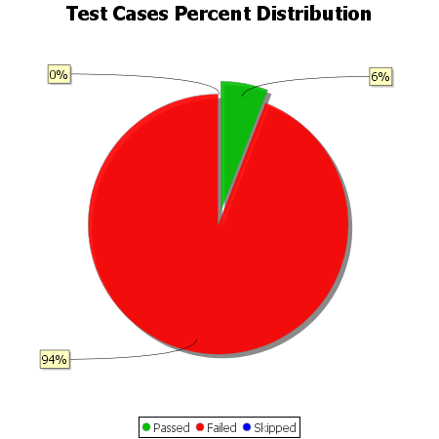
Total Test Cases | 34
Test Cases Passed | 2
Test Cases Failed | 32
Test Cases Skipped | 0

